Sheet2
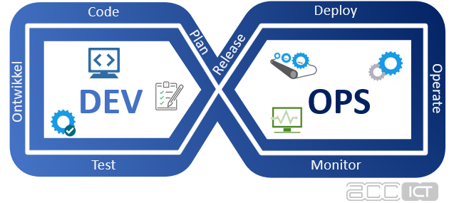
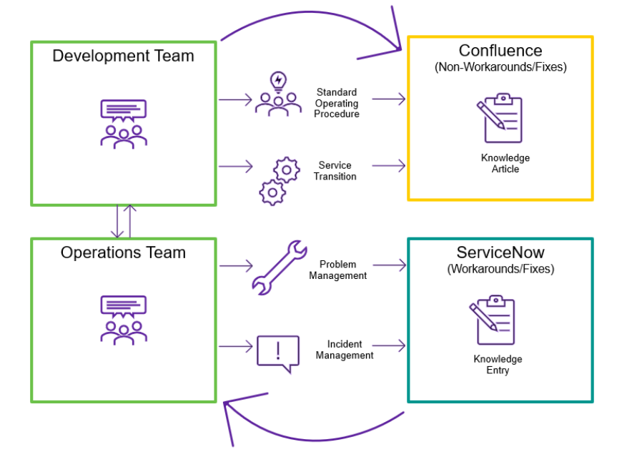
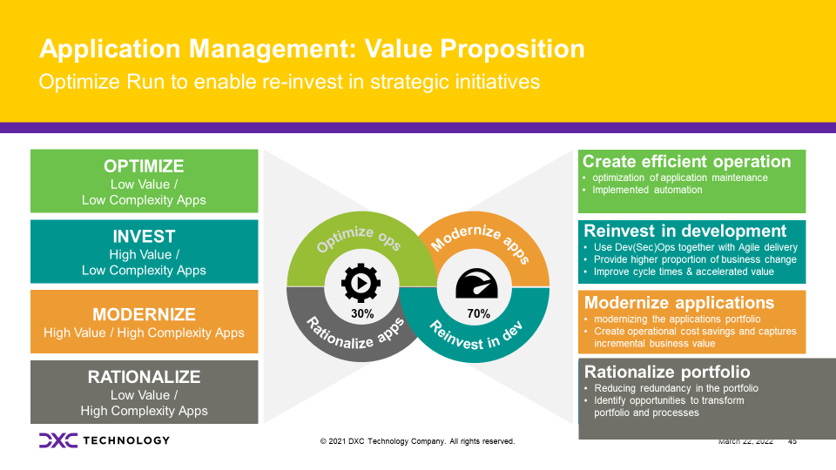
Questions

LOTS ? | 4 | Core | Auto2X | Other | Enabler
APPS ? | 76 | 36 | 30 | 8 | 2
TOOLS ? | 44 | Q: can these be linked to the APPS ?

Key Assumptions/Risks
1) | KT by remote access, no F2f --> over 2020-2022 DXC has build good experience

 |  |  |  |  |  | KT

WAVE-v2
Do we need this tab?
Division | Wave 1 | Wave 2 | Wave 3 | Wave 4 | To be difined
Complexity
Car2X Applikationen

Sheet4
Do we need this tab?

